CONVERSE
 |  |  |  |  |  |  |  |  | UNI

REFERENCE | DESCRIPTION | COLOR | SIZE | PHOTO | RRP | WHL | TOT | Break | SIZEBREAKDOWN
 |  |  |  |  |  |  |  |  | UNI
10003329-A01 | EDC POLY BACKPACK | black | 22L | 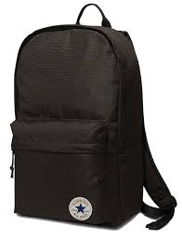 | € 45.00 | € 22.50 | 5598 |  | 5598 | 888754381824 | 45cm x 27cm 13,5cm
10003329-A02 | EDC POLY BACKPACK | Azul | 22L | 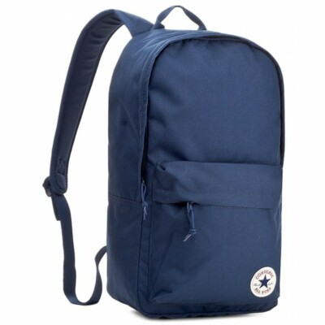 | € 45.00 | € 22.50 | 1439 |  | 1439 | 888754381831 | 45cm x 27cm 13,5cm
10003329-A08 | EDC POLY BACKPACK | BURGUNDY | 22L |  | € 45.00 | € 22.50 | 527 |  | 527 | 888754837543 | 45cm x 27cm 13,5cm
10005987-A03 | EDC POLY BACKPACK | grey | 22L | 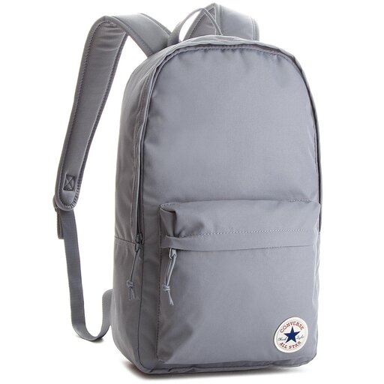 | € 45.00 | € 22.50 | 279 |  | 279 | 888755332832 | 45cm x 27cm 13,5cm
 |  |  |  |  |  |  | 7843

